Request
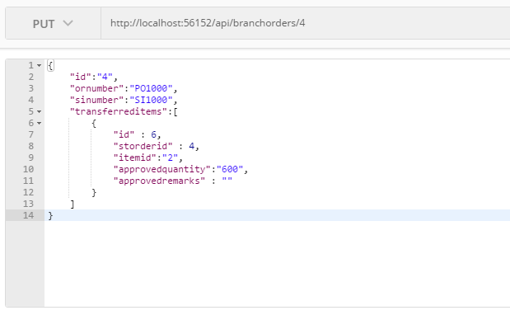
Parameter | Data Type | Length | Required | Unique | Remarks
Token | String |  | Yes |  | Bearer Token see AuthenticateAPI docu
Id | Int |  | Yes |  | STOrder.Id
ORNumber | String |  | See Remarks |  | Required if Interbranch
SINumber | String |  | See Remarks |  | Required if Intercompany
TransferredItems | Array |  | Yes
Id | Int |  | Yes |  | STOrderDetail.Id
STOrderId | Int |  | Yes |  | STOrder.Id
ItemId | Int |  | Yes |  | STOrderDetail.ItemId
ApprovedQuantity | Int |  | Yes
ApprovedRemarks | String

Example

Response
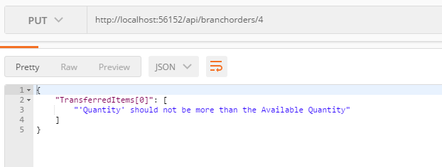
With Error

